Summary Statistics
GICS Sector | Energy

Ticker Symbol | Sum of Total Revenue |  |  | Row Labels | Real Estate Sum of Total Revenue | Row Labels | Energy Sum of Total Revenue
NOV | 72612000000 |  |  | AIV | $3,898,237,000.00 | NOV | $72,612,000,000.00
APA | 50273000000 |  |  | AMT | $15,108,931,000.00 | APA | $50,273,000,000.00
APC | 49618000000 |  |  | BXP | $8,870,544,000.00 | APC | $49,618,000,000.00
BHI | 72498000000 |  |  | CBG | $33,604,621,000.00 | BHI | $72,498,000,000.00
CHK | 67285000000 |  |  | CCI | $12,501,038,000.00 | CHK | $67,285,000,000.00
COG | 6480985000 |  |  | DLR | $6,141,100,000.00 | COG | $6,480,985,000.00
CVX | 781165000000 |  |  | EQIX | $9,209,785,000.00 | CVX | $781,165,000,000.00
CXO | 8603453000 |  |  | EQR | $9,494,917,000.00 | CXO | $8,603,453,000.00
DVN | 56377000000 |  |  | ESS | $3,311,088,000.00 | DVN | $56,377,000,000.00
EOG | 52962522000 |  |  | EXR | $2,359,434,000.00 | EOG | $52,962,522,000.00
EQT | 8059284000 |  |  | FRT | $2,869,106,000.00 | EQT | $8,059,284,000.00
HAL | 101792000000 |  |  | GGP | $9,851,783,000.00 | HAL | $101,792,000,000.00
HES | 41523000000 |  |  | HCN | $11,695,488,000.00 | HES | $41,523,000,000.00
HP | 11889516000 |  |  | HCP | $7,445,720,000.00 | HP | $11,889,516,000.00
KMI | 57757000000 |  |  | HST | $20,966,000,000.00 | KMI | $57,757,000,000.00
MPC | 352271000000 |  |  | IRM | $12,154,247,000.00 | MPC | $352,271,000,000.00
MRO | 39659000000 |  |  | KIM | $3,815,566,000.00 | MRO | $39,659,000,000.00
MUR | 17997298000 |  |  | MAA | $3,146,489,000.00 | MUR | $17,997,298,000.00
NBL | 16804000000 |  |  | MAC | $4,220,388,000.00 | NBL | $16,804,000,000.00
NFX | 7264000000 |  |  | O | $3,221,580,000.00 | NFX | $7,264,000,000.00
OKE | 42014297000 |  |  | SLG | $5,843,924,000.00 | OKE | $42,014,297,000.00
OXY | 72062000000 |  |  | SPG | $18,936,927,000.00 | OXY | $72,062,000,000.00
PSX | 611073000000 |  |  | UDR | $3,188,222,000.00 | PSX | $611,073,000,000.00
RRC | 6423629000 |  |  | VNO | $9,620,157,000.00 | RRC | $6,423,629,000.00
SE | 21730000000 |  |  | VTR | $12,015,137,000.00 | SE | $21,730,000,000.00
SWN | 13272000000 |  |  | WY | $27,728,000,000.00 | SWN | $13,272,000,000.00
TSO | 136754000000 |  |  | Grand Total | $261,218,429,000.00 | TSO | $136,754,000,000.00
VLO | 495115000000 |  |  |  |  | VLO | $495,115,000,000.00
WMB | 29343000000 |  |  |  |  | WMB | $29,343,000,000.00
XEC | 7498784000 |  |  |  |  | XEC | $7,498,784,000.00
XOM | 1525938000000 |  |  |  |  | XOM | $1,525,938,000,000.00
Grand Total | 4834114768000 |  |  |  |  | Grand Total | $4,834,114,768,000.00

 |  | Real Estate Cost of Goods Sold |  |  | Energy Cost of Goods Sold
 |  | $386,355,000.00 |  |  | $3,079,000,000.00
 |  | $722,479,000.00 |  |  | $2,942,000,000.00
 |  | $667,208,000.00 |  |  | $18,553,000,000.00
 |  | $5,745,428,000.00 |  |  | $7,081,000,000.00
 |  | $728,989,000.00 |  |  | $290,054,000.00
 |  | $461,898,000.00 |  |  | $163,336,000,000.00
 |  | $944,617,000.00 |  |  | $343,743,000.00
 |  | $625,507,000.00 |  |  | $2,268,000,000.00
 |  | $172,167,000.00 |  |  | $1,699,428,000.00
 |  | $114,028,000.00 |  |  | $354,561,000.00
 |  | $190,454,000.00 |  |  | $24,931,000,000.00
 |  | $800,336,000.00 |  |  | $3,535,000,000.00
 |  | $567,989,000.00 |  |  | $1,852,768,000.00
 |  |  |  |  | $7,365,000,000.00
 |  | $1,885,000,000.00 |  |  | $68,948,000,000.00
 |  | $1,277,113,000.00 |  |  | $2,079,000,000.00
 |  | $206,974,000.00 |  |  | $1,079,136,000.00
 |  | $117,275,000.00 |  |  | $844,000,000.00
 |  | $337,533,000.00 |  |  | $413,000,000.00
 |  | $21,306,000.00 |  |  | $12,151,000,000.00
 |  | $470,243,000.00 |  |  | $8,540,319,000.00
 |  | $800,380,000.00 |  |  | $6,530,000,000.00
 |  | $245,316,000.00 |  |  | $158,446,000,000.00
 |  | $928,565,000.00 |  |  | $328,784,000.00
 |  | $1,118,240,000.00 |  |  | $2,417,000,000.00
 |  | $4,993,000,000.00 |  |  | $245,000,000.00
 |  |  |  |  | $26,045,000,000.00
 |  |  |  |  | $126,485,000,000.00
 |  |  |  |  | $4,523,000,000.00

 | SUM | $24,528,400,000.00 |  |  | $656,704,793,000.00
 | MAX | $5,745,428,000.00 |  |  | $163,336,000,000.00
 | MIN | $21,306,000.00 |  |  | $245,000,000.00
 | STD | $1,391,206,551.11 |  |  | $46,195,226,719.61
 | RANGE | $5,724,122,000.00 |  |  | $163,091,000,000.00
 | VARIANCE | 1.94E+18 |  |  | 2.13E+21
 | MEAN | $981,136,000.00 |  |  | $22,644,992,862.07
 | MEDIAN | $625,507,000.00 |  |  | $3,079,000,000.00
 | KURTOSIS | 7.714148611 |  |  | 5
 | SKEWNESS | 2.833685519 |  |  | 2
 | CORRELATION |  |  | -0.103328244

 | REAL ESTATE MEASURES | REAL ESTATE VALUES | Column3 | ENERGY MEASURES | ENERGY VALUES
 | SUM | $24,528,400,000.00 |  | SUM | 656,704,793,000
 | MAX | $5,745,428,000.00 |  | MAX | 163,336,000,000
 | MIN | $21,306,000.00 |  | MIN | 245,000,000
 | STD | $1,391,206,551.11 |  | STD | 46,195,226,720
 | RANGE | $5,724,122,000.00 |  | RANGE | 163,091,000,000
 | VARIANCE | 1.94E+18 |  | VARIANCE | 2.134E+21
 | MEAN | $981,136,000.00 |  | MEDIAN | 22,644,992,862
 | MEDIAN | $625,507,000.00 |  | KURTOSIS | 3,079,000,000
 | KURTOSIS | 7.714148611 |  | SKEWNESS | 5
 | SKEWNESS | 2.833685519 |  |  | 2
 | CORRELATION |  | -0.103328244

Sum of Total Revenue - Real Estate Sector - Year 1
Sum of Total Revenue - Energy Sector - Year 1

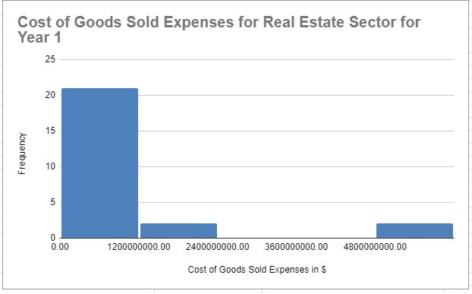
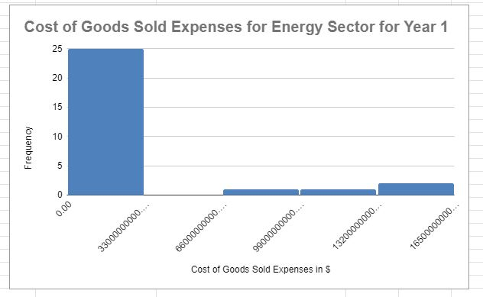

 |  | https://docs.google.com/spreadsheets/d/1-GvcD1qWbI4zgpBLhIcvjax_iU6eZDjpmB7PID-WUFE/edit?usp=sharing

